STEP 01.Register Account UiPath
1. Open site https://www.uipath.com


2. Create UiPath user account, input your email and password for UiPath, then Submit by click Create Account
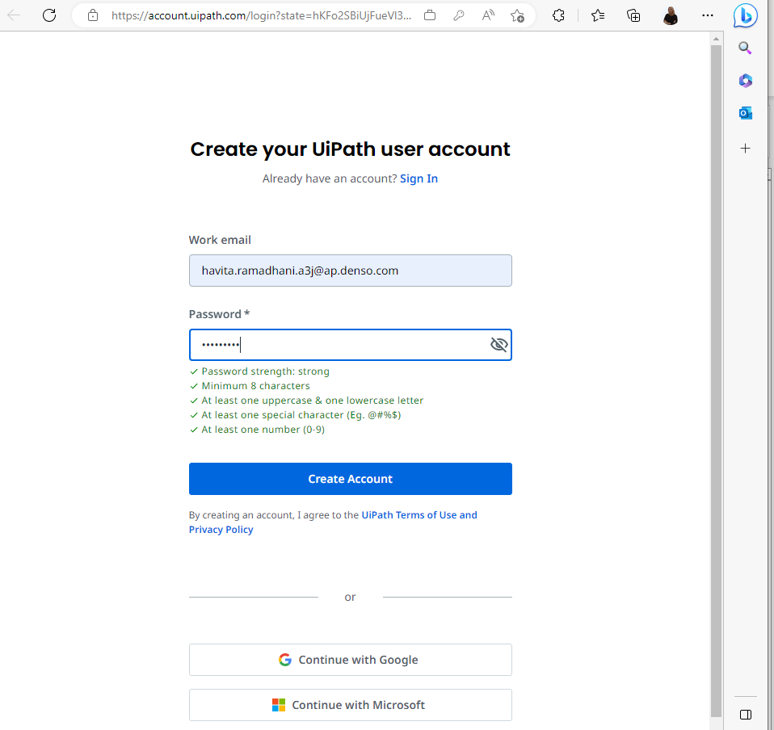
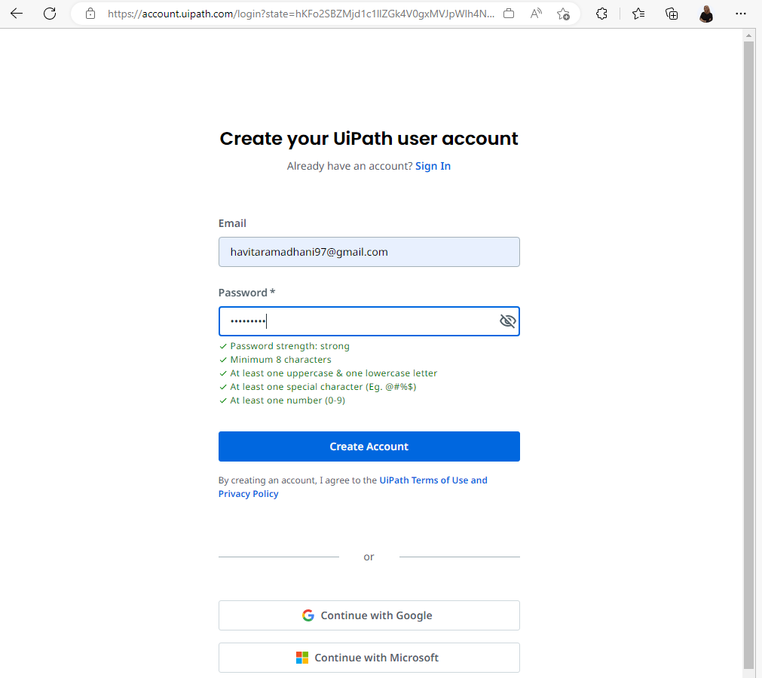
Create UiPath account with Work Email
Create UiPath account with Personal Email

3. Next step, verify your email to continue, open your inbox mail (external mail)
Note: Previously, I created UiPath user account using my work email, so I already have UiPath user account. Now, I create UiPath user account using my personal email
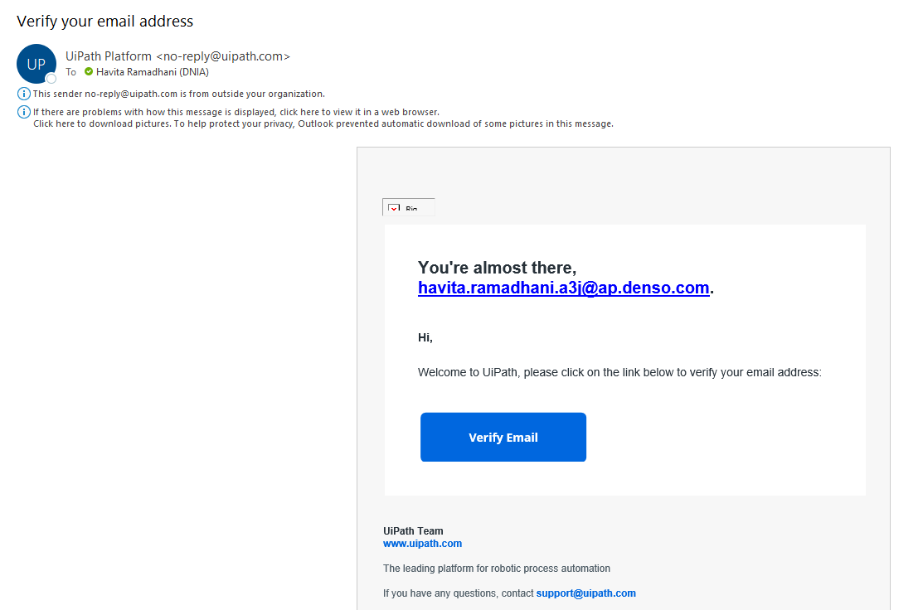
Notif email if you craete account using work email
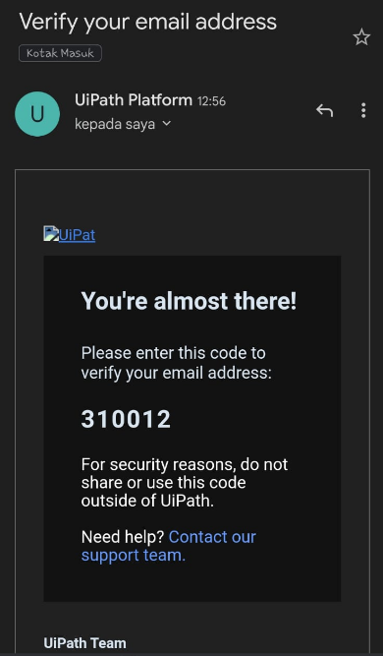
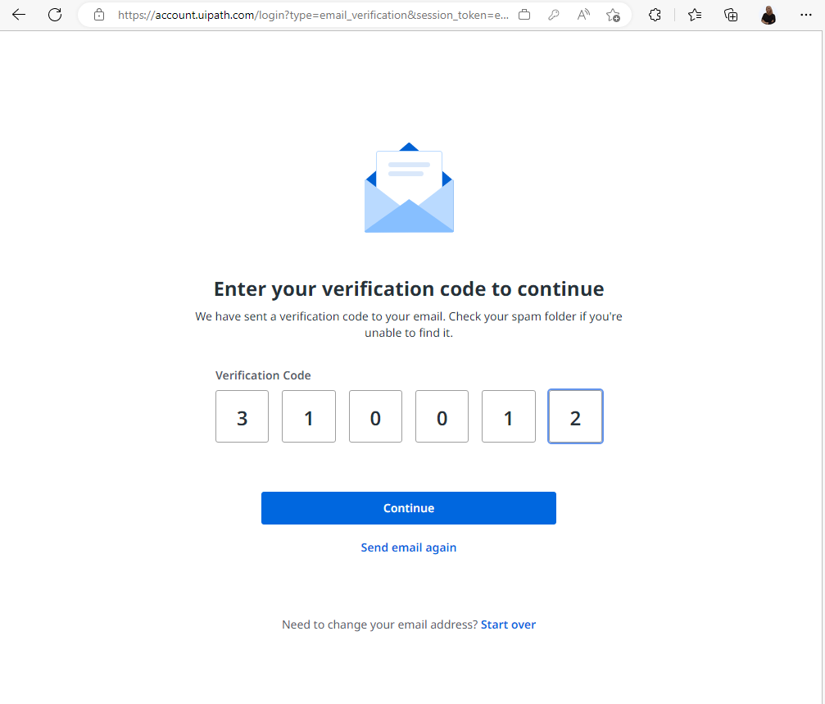
using personal email

Notif email if you craete account using personal email

 | Next

4. Input your Full Name and select Country/Region, then click Next
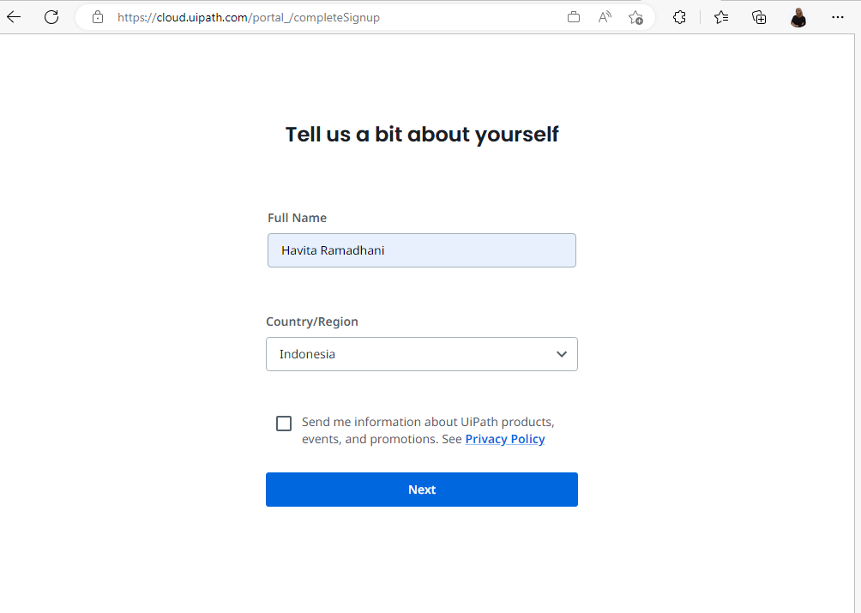

5. Create your Cloud Organization
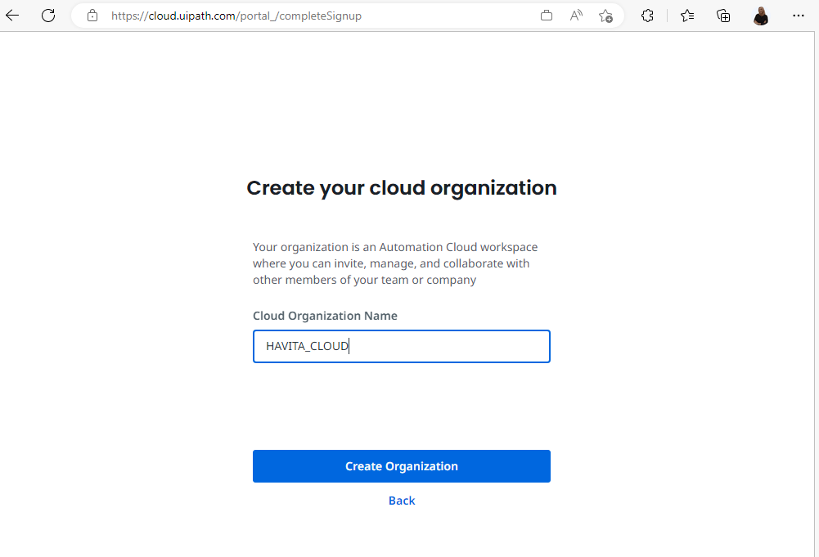

DNIA

6. Finish. After completed your account already registered, remember or save your account (email & password)
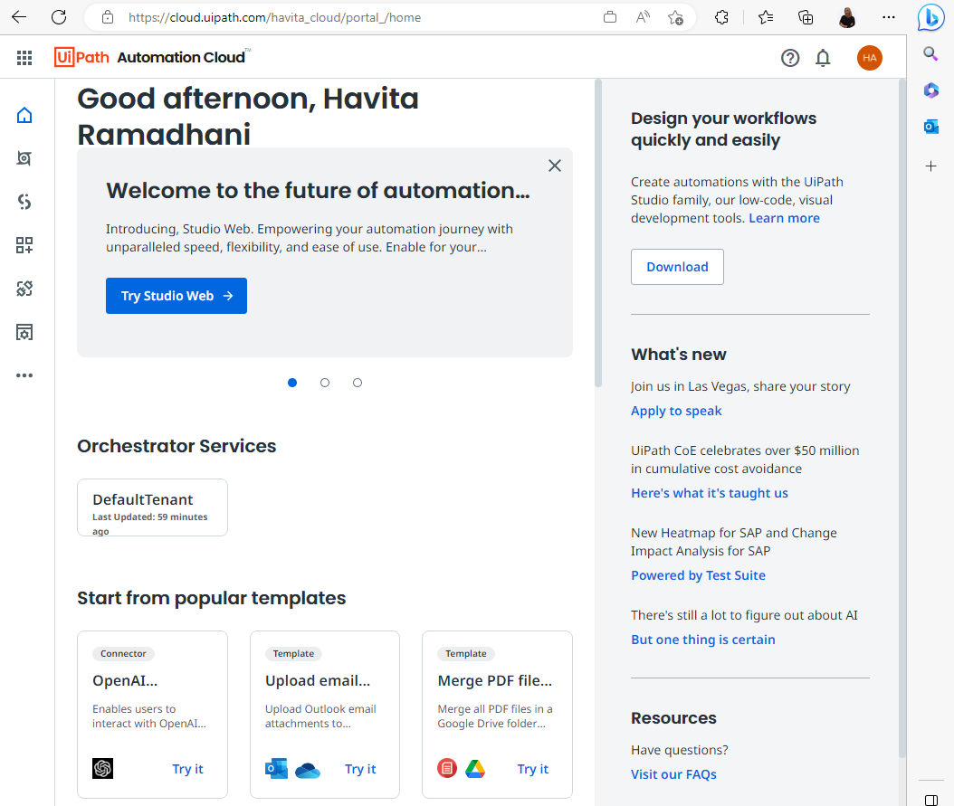

7. Next, follow step by step installation UiPath. From installer file on SPO Folder UiPath Installer > 2023.4.1

STEP 02.SOP Install UiPath
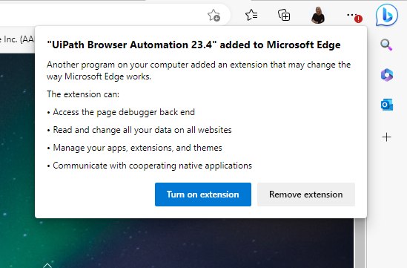
STEP 02 : UiPath Installation

1. Download file at SPO UiPath Installer > 2023.4.1
Link download : https://globaldenso.sharepoint.com/:f:/r/sites/AP000062/001/Com/2022Training/UiPath%20Installer/2023.4.1?csf=1&web=1&e=RhO6hg
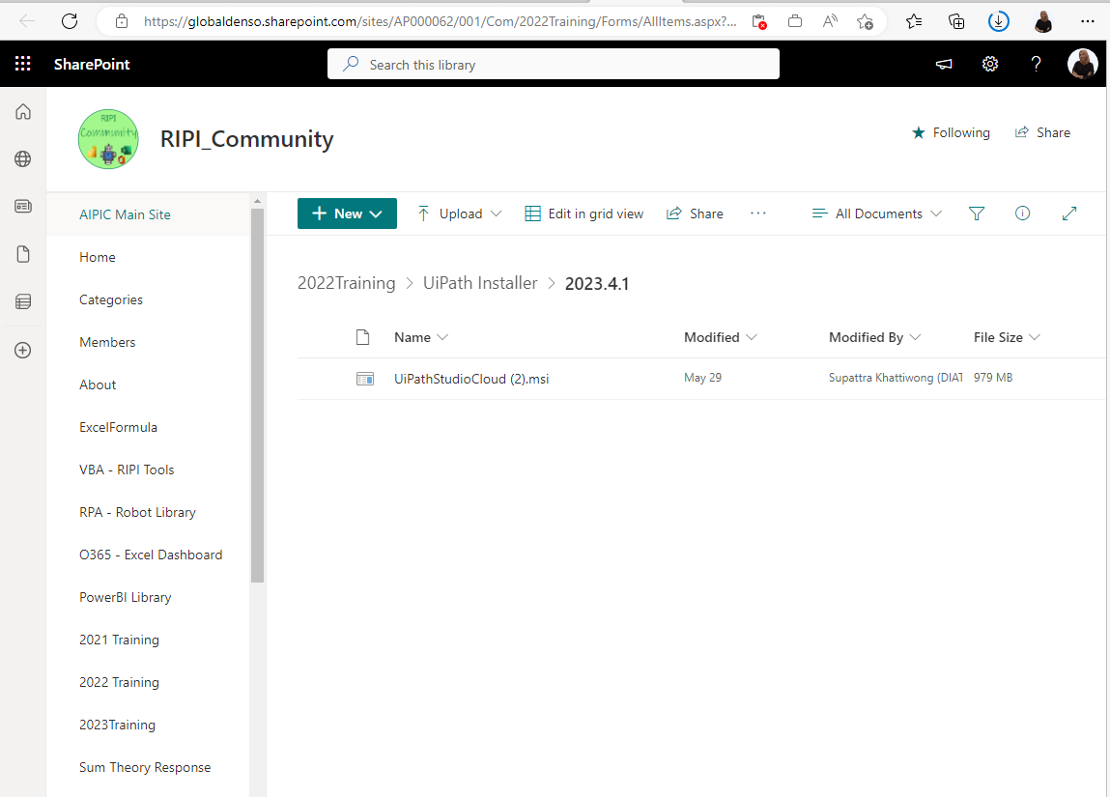

2. Buka file yang sudah di download: “UiPathStudioCloud (2).msi”
Pastikan space memori di Local Disc (C:) > 5GB

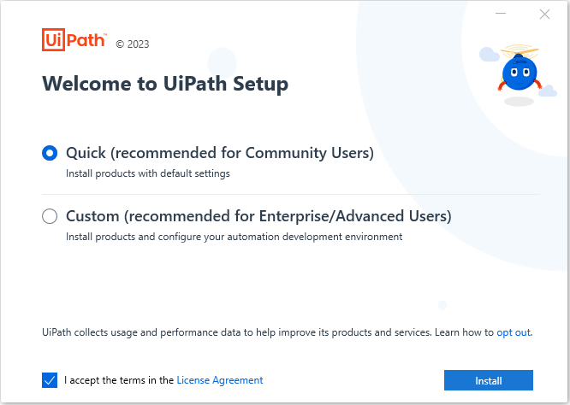
1
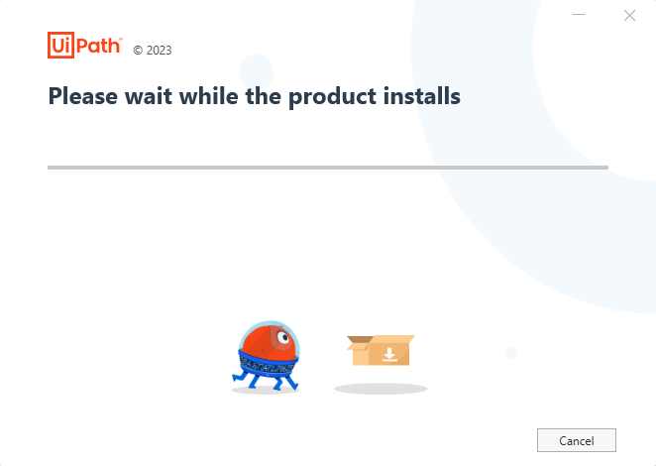
2

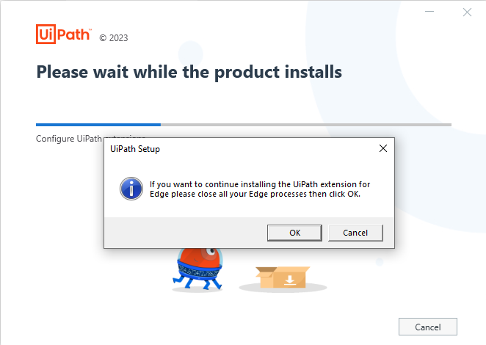
3
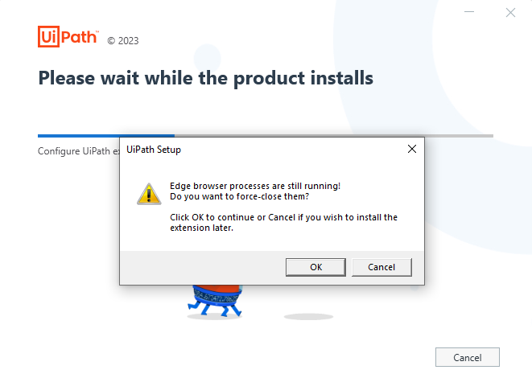
4


5

3. Finish installation
 | Sign In sesuai akun -> STEP 01
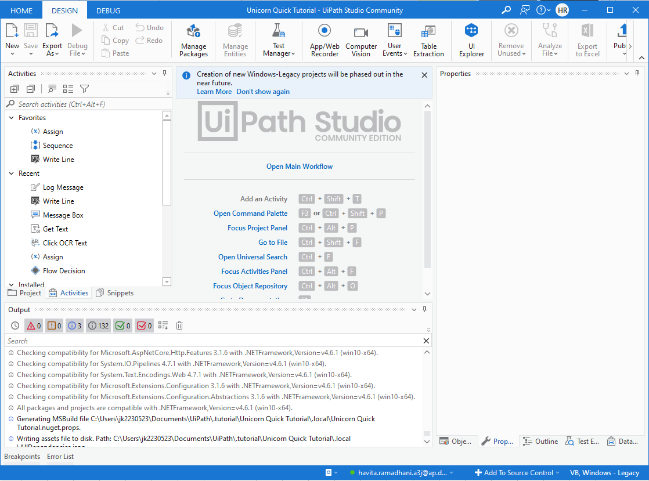

4. Saat membuka browser kembali akan ada notif seperti ini, pilih Turn on extension

